Sprout Order Form_FY24
Early Childhood Resource Center
1718 Cleveland Ave. NW
Canton, OH 44703
330-491-3272
Attn: Rebecca Spilios
330-491-3272
rspilios@ecresourcecenter.org
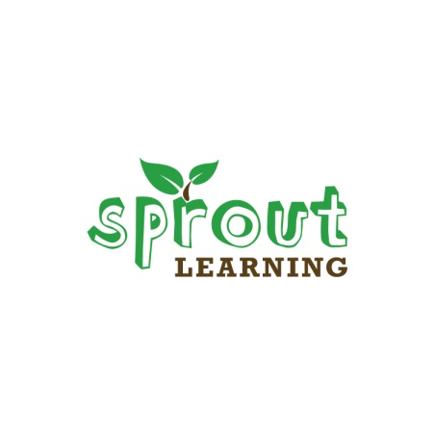
123 Look at Me |  | Going to the Market |  | Rules Keep Us Safe |  | Number Ordered | 0
Backyard Discovery |  | Healthy Me ABC |  | Seasons of the Year |  | Cost (@ $69 each) | $0.00
Barnyard Fun |  | I am Calm & Focused |  | Shapes All Around |  | Replacement Backpacks bag only (@ $9.00 each) | $0.00
Colors All Around |  | I am Special & Unique |  | Shapes In My World (for 1's) |  | Shipping & handling (15%) | $0.00
Color Patterns |  | I am Strong & Confident |  | Shapes In My World (for 2's) |  | Subtotal* | $0.00
Cookie Comprehension |  | In My Community |  | Silly Sort and Stack |  | Paying by credit card?* |  | < Complete using drop down
Crash Boom Bang |  | Lifecycle of a Frog |  | Snake Length |  | Total: | $-
Everyday Objects |  | Me & My Emotions |  | What's that Sound |  | *Note that credit card payments will incur an additional 3.5% fee.
Families Are Special |  | My Pizza Shop |  | Words, Musical Words |  | Number Ordered | 0 | Date Shipped
Fish Counting 123 |  | On The Farm Rhyme Time |  | Writing A-Z |  | Number Shipped
Friendship & Sharing |  | Oops Look At That |  | Column subtotal: | 0 | Backorders Shipped
Get Up And Go |  |  |  | # of REPLACEMENT BACKPACKS - (bag only) |  | Remaining To Be Shipped
Column subtotal: | 0 | Column subtotal: | 0

Bill to: |  |  |  | Ship to:
Organization: |  |  |  | Organization:
Street Address: |  |  |  | Street Address:
City: State: Zip: |  |  |  | City: State: Zip:
Attention: |  |  |  | Attention:
Phone: Email: |  |  |  | Phone: Email:
Invoice or PO Number: |  |  |  | Order NOTES:

*Note that credit card payments will incur an additional 3.5% fee.
Credit Card Type: Visa / Mastercard
Credit Card Number:
Expiration Date: 3 digit code: |  |  |  | Date order was received:
Name as it appears on card: |  |  |  | Taken by:

